aw22
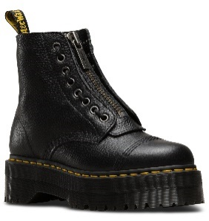
 |  | Ean code | Total | price
22564001 - 030 | Sinclair Black Milled Nappa | 0190665055948 | 8 | 115.00 € | 920.00 €
22564001 - 040 | Sinclair Black Milled Nappa | 0190665055955 | 16 | 115.00 € | 1,840.00 €
22564001 - 050 | Sinclair Black Milled Nappa | 0190665055962 | 24 | 115.00 € | 2,760.00 €
22564001 - 060 | Sinclair Black Milled Nappa | 0190665055979 | 24 | 115.00 € | 2,760.00 €
22564001 - 065 | Sinclair Black Milled Nappa | 0190665055986 | 16 | 115.00 € | 1,840.00 €
22564001 - 070 | Sinclair Black Milled Nappa | 0190665055993 | 8 | 115.00 € | 920.00 €

27100001 - 30 | 2976 Black Nappa | 0190665413373 | 2 | 99.00 € | 198.00 €
27100001 - 40 | 2976 Black Nappa | 0190665413380 | 5 | 99.00 € | 495.00 €
27100001 - 50 | 2976 Black Nappa | 0190665413397 | 6 | 99.00 € | 594.00 €
27100001 - 60 | 2976 Black Nappa | 0190665413403 | 7 | 99.00 € | 693.00 €
27100001 - 65 | 2976 Black Nappa | 0190665413410 | 5 | 99.00 € | 495.00 €
27100001 - 70 | 2976 Black Nappa | 0190665413427 | 2 | 99.00 € | 198.00 €
27100001 - 90 | 2976 Black Nappa | 0190665413441 | 1 | 99.00 € | 99.00 €
27100001 - 95 | 2976 Black Nappa | 0190665413458 | 1 | 99.00 € | 99.00 €

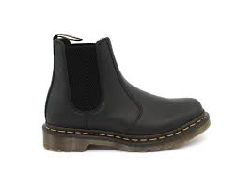
22227001-080 | 2976 Black Nappa |  | 22 | 95.00 € | 2,090.00 €
22227001-090 | 2977 Black Nappa |  | 45 | 95.00 € | 4,275.00 €
22227001-095 | 2978 Black Nappa |  | 45 | 95.00 € | 4,275.00 €
22227001-100 | 2979 Black Nappa |  | 45 | 95.00 € | 4,275.00 €
22227001-110 | 2980 Black Nappa |  | 22 | 95.00 € | 2,090.00 €

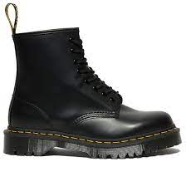
25345001 - 030 | 1460 Bex Black Smooth | 0190665298758 | 4 | 109.00 € | 436.00 €
25345001 - 040 | 1460 Bex Black Smooth | 0190665298765 | 8 | 109.00 € | 872.00 €
25345001 - 050 | 1460 Bex Black Smooth | 0190665298772 | 12 | 109.00 € | 1,308.00 €
25345001 - 060 | 1460 Bex Black Smooth | 0190665298789 | 12 | 109.00 € | 1,308.00 €
25345001 - 080 | 1460 Bex Black Smooth | 0190665298819 | 1 | 109.00 € | 109.00 €
25345001 - 090 | 1460 Bex Black Smooth | 0190665298826 | 1 | 109.00 € | 109.00 €

24993001 - 40 | 1460 Pascal Black Ambassador | 0190665276145 | 2 | 99.00 € | 198.00 €
24993001 - 50 | 1460 Pascal Black Ambassador | 0190665276152 | 2 | 99.00 € | 198.00 €
24993001 - 60 | 1460 Pascal Black Ambassador | 0190665276169 | 3 | 99.00 € | 297.00 €
24993001 - 70 | 1460 Pascal Black Ambassador | 0190665276183 | 1 | 99.00 € | 99.00 €

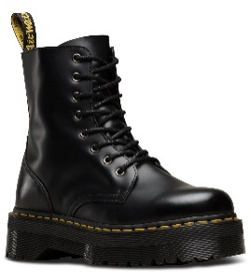
15265001 - 030 | Jadon Black Polished Smooth | 0883985578883 | 18 | 115.00 € | 2,070.00 €
15265001 - 040 | Jadon Black Polished Smooth | 0883985578890 | 29 | 115.00 € | 3,335.00 €
15265001 - 050 | Jadon Black Polished Smooth | 0883985578906 | 37 | 115.00 € | 4,255.00 €
15265001 - 060 | Jadon Black Polished Smooth | 0883985578913 | 36 | 115.00 € | 4,140.00 €
15265001 - 065 | Jadon Black Polished Smooth | 0883985578920 | 2 | 115.00 € | 230.00 €
15265001 - 070 | Jadon Black Polished Smooth | 0883985578937 | 2 | 115.00 € | 230.00 €

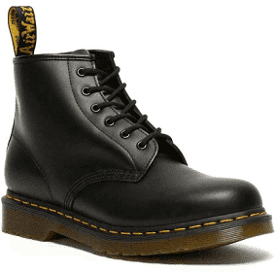
26230001 - 030 | 101 Ys Black Smooth | 190665350715 | 6 | 95.00 € | 570.00 €
26230001 - 040 | 101 Ys Black Smooth | 190665350722 | 8 | 95.00 € | 760.00 €
26230001 - 050 | 101 Ys Black Smooth | 190665350739 | 15 | 95.00 € | 1,425.00 €
26230001 - 060 | 101 Ys Black Smooth | 190665350746 | 12 | 95.00 € | 1,140.00 €
26230001 - 065 | 101 Ys Black Smooth | 190665350753 | 8 | 95.00 € | 760.00 €
26230001 - 070 | 101 Ys Black Smooth | 190665350760 | 4 | 95.00 € | 380.00 €

27147001 - 030 | Audrick 3-Eye Shoe Black Nappa Lux | 0190665438970 | 1 | 95.00 € | 95.00 €
27147001 - 040 | Audrick 3-Eye Shoe Black Nappa Lux | 0190665438987 | 1 | 95.00 € | 95.00 €
27147001 - 040 | Audrick 3-Eye Shoe Black Nappa Lux | 0190665438987 | 1 | 95.00 € | 95.00 €
27147001 - 050 | Audrick 3-Eye Shoe Black Nappa Lux | 0190665438994 | 2 | 95.00 € | 190.00 €
27147001 - 060 | Audrick 3-Eye Shoe Black Nappa Lux | 0190665439007 | 2 | 95.00 € | 190.00 €
27147001 - 065 | Audrick 3-Eye Shoe Black Nappa Lux | 0190665439014 | 2 | 95.00 € | 190.00 €
27147001 - 070 | Audrick 3-Eye Shoe Black Nappa Lux | 0190665439021 | 1 | 95.00 € | 95.00 €

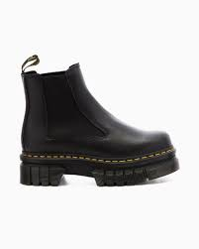
27148001 - 030 | Audrick Chelsea Black Nappa Lux | 0190665439076 | 1 | 115.00 € | 115.00 €
27148001 - 040 | Audrick Chelsea Black Nappa Lux | 0190665439083 | 2 | 115.00 € | 230.00 €
27148001 - 050 | Audrick Chelsea Black Nappa Lux | 0190665439090 | 2 | 115.00 € | 230.00 €
27148001 - 060 | Audrick Chelsea Black Nappa Lux | 0190665439106 | 2 | 115.00 € | 230.00 €
27148001 - 065 | Audrick Chelsea Black Nappa Lux | 0190665439113 | 1 | 115.00 € | 115.00 €
27148001 - 065 | Audrick Chelsea Black Nappa Lux | 0190665439113 | 1 | 115.00 € | 115.00 €
27148001 - 070 | Audrick Chelsea Black Nappa Lux | 0190665439120 | 1 | 115.00 € | 115.00 €

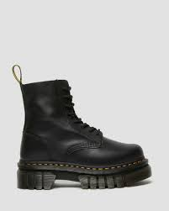
27149001 - 030 | Audrick 8-Eye Boot Black Nappa Lux | 0190665439175 | 1 | 115.00 € | 115.00 €
27149001 - 040 | Audrick 8-Eye Boot Black Nappa Lux | 0190665439182 | 2 | 115.00 € | 230.00 €
27149001 - 050 | Audrick 8-Eye Boot Black Nappa Lux | 0190665439199 | 1 | 115.00 € | 115.00 €
27149001 - 060 | Audrick 8-Eye Boot Black Nappa Lux | 0190665439205 | 2 | 115.00 € | 230.00 €
27149001 - 065 | Audrick 8-Eye Boot Black Nappa Lux | 0190665439212 | 2 | 115.00 € | 230.00 €
27149001 - 070 | Audrick 8-Eye Boot Black Nappa Lux | 0190665439229 | 1 | 115.00 € | 115.00 €

27311626 - 030 | Jadon Burgundy Smooth | 0190665454413 | 3 | 115.00 € | 345.00 €
27311626 - 040 | Jadon Burgundy Smooth | 0190665454420 | 3 | 115.00 € | 345.00 €
27311626 - 050 | Jadon Burgundy Smooth | 0190665454437 | 4 | 115.00 € | 460.00 €
27311626 - 060 | Jadon Burgundy Smooth | 0190665454444 | 4 | 115.00 € | 460.00 €
27311626 - 065 | Jadon Burgundy Smooth | 0190665454451 | 4 | 115.00 € | 460.00 €
27311626 - 070 | Jadon Burgundy Smooth | 0190665454468 | 2 | 115.00 € | 230.00 €
27311626 - 080 | Jadon Burgundy Smooth | 190665454475 | 1 | 115.00 € | 115.00 €

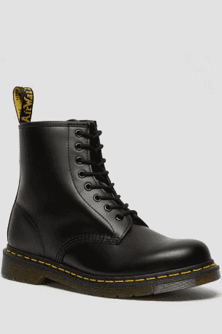

11822006 - 030 | 1460 Black Smooth | 800090828511 | 12 | 99.00 € | 1,188.00 €
11822006 - 040 | 1460 Black Smooth | 800090828535 | 48 | 99.00 € | 4,752.00 €
11822006 - 050 | 1460 Black Smooth | 800090828559 | 24 | 99.00 € | 2,376.00 €
11822006 - 060 | 1460 Black Smooth | 800090796377 | 24 | 99.00 € | 2,376.00 €
11822006 - 065 | 1460 Black Smooth | 800090796384 | 24 | 99.00 € | 2,376.00 €
11822006 - 070 | 1460 Black Smooth | 800090796391 | 20 | 99.00 € | 1,980.00 €


27335113 - 30 | V JADON II MONO OPTICAL WHITE KEMBLE | 0190665455922 | 2 | 115.00 € | 230.00 €
27335113 - 40 | V JADON II MONO OPTICAL WHITE KEMBLE | 0190665455939 | 2 | 115.00 € | 230.00 €
27335113 - 50 | V JADON II MONO OPTICAL WHITE KEMBLE | 0190665455946 | 2 | 115.00 € | 230.00 €
27335113 - 60 | V JADON II MONO OPTICAL WHITE KEMBLE | 0190665455953 | 2 | 115.00 € | 230.00 €
27335113 - 65 | V JADON II MONO OPTICAL WHITE KEMBLE | 0190665455960 | 2 | 115.00 € | 230.00 €
27335113 - 70 | V JADON II MONO OPTICAL WHITE KEMBLE | 0190665455977 | 1 | 115.00 € | 115.00 €
27335113 - 80 | V JADON II MONO OPTICAL WHITE KEMBLE | 0190665455984 | 1 | 115.00 € | 115.00 €

27338626 - 30 | SINCLAIR BURGUNDY MILLED NAPPA | 0190665456059 | 2 | 115.00 € | 230.00 €
27338626 - 40 | SINCLAIR BURGUNDY MILLED NAPPA | 0190665456066 | 12 | 115.00 € | 1,380.00 €
27338626 - 50 | SINCLAIR BURGUNDY MILLED NAPPA | 0190665456073 | 26 | 115.00 € | 2,990.00 €
27338626 - 60 | SINCLAIR BURGUNDY MILLED NAPPA | 0190665456080 | 26 | 115.00 € | 2,990.00 €
27338626 - 65 | SINCLAIR BURGUNDY MILLED NAPPA | 0190665456097 | 14 | 115.00 € | 1,610.00 €
27338626 - 70 | SINCLAIR BURGUNDY MILLED NAPPA |  | 12 | 115.00 € | 1,380.00 €

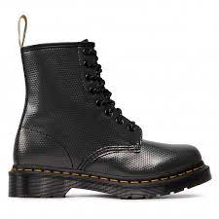
27277626 - 030 | 1460 Burgundy Smooth | 0190665461619 | 1 | 99.00 € | 99.00 €
27277626 - 040 | 1460 Burgundy Smooth | 0190665461626 | 3 | 99.00 € | 297.00 €
27277626 - 050 | 1460 Burgundy Smooth | 0190665461633 | 8 | 99.00 € | 792.00 €
27277626 - 060 | 1460 Burgundy Smooth | 0190665461640 | 5 | 99.00 € | 495.00 €
27277626 - 065 | 1460 Burgundy Smooth | 0190665461657 | 7 | 99.00 € | 693.00 €
27277626 - 070 | 1460 Burgundy Smooth | 0190665461664 | 4 | 99.00 € | 396.00 €
27277626 - 080 | 1460 Burgundy Smooth | 0190665461671 | 4 | 99.00 € | 396.00 €
27277626 - 090 | 1460 Burgundy Smooth | 0190665461688 | 4 | 99.00 € | 396.00 €
27277626 - 095 | 1460 Burgundy Smooth | 0190665461695 | 3 | 99.00 € | 297.00 €

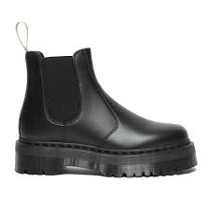
27560001 - 30 | V 2976 QUAD BLACK FELIX RUB OFF | 0190665474756 | 2 | 115.00 € | 230.00 €
27560001 - 40 | V 2976 QUAD BLACK FELIX RUB OFF | 0190665474763 | 2 | 115.00 € | 230.00 €
27560001 - 50 | V 2976 QUAD BLACK FELIX RUB OFF | 0190665474770 | 1 | 115.00 € | 115.00 €
27560001 - 50 | V 2976 QUAD BLACK FELIX RUB OFF | 0190665474770 | 1 | 115.00 € | 115.00 €
27560001 - 60 | V 2976 QUAD BLACK FELIX RUB OFF | 0190665474787 | 2 | 115.00 € | 230.00 €
27560001 - 65 | V 2976 QUAD BLACK FELIX RUB OFF | 0190665474794 | 1 | 115.00 € | 115.00 €
27560001 - 70 | V 2976 QUAD BLACK FELIX RUB OFF | 0190665474800 | 1 | 115.00 € | 115.00 €

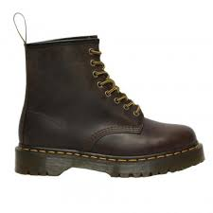
27894201 - 040 | 1460 Bex Dark Brown Crazy Horse |  | 2 | 99.00 € | 198.00 €
27894201 - 050 | 1460 Bex Dark Brown Crazy Horse |  | 2 | 99.00 € | 198.00 €
27894201 - 060 | 1460 Bex Dark Brown Crazy Horse |  | 2 | 99.00 € | 198.00 €
27894201 - 065 | 1460 Bex Dark Brown Crazy Horse | 0190665498646 | 3 | 99.00 € | 297.00 €
27894201 - 070 | 1460 Bex Dark Brown Crazy Horse | 0190665498653 | 6 | 99.00 € | 594.00 €
27894201 - 080 | 1460 Bex Dark Brown Crazy Horse | 0190665498660 | 6 | 99.00 € | 594.00 €
27894201 - 090 | 1460 Bex Dark Brown Crazy Horse | 0190665498677 | 6 | 99.00 € | 594.00 €
27894201 - 095 | 1460 Bex Dark Brown Crazy Horse | 0190665498684 | 4 | 99.00 € | 396.00 €
27894201 - 100 | 1460 Bex Dark Brown Crazy Horse | 0190665498691 | 3 | 99.00 € | 297.00 €

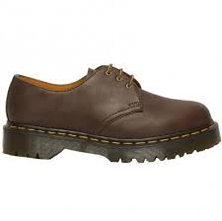
27899201 - 065 | 1461 Bex Dark Brown Crazy Horse | 0190665501483 | 1 | 89.00 € | 89.00 €
27899201 - 070 | 1461 Bex Dark Brown Crazy Horse | 0190665501490 | 2 | 89.00 € | 178.00 €
27899201 - 080 | 1461 Bex Dark Brown Crazy Horse | 0190665501506 | 2 | 89.00 € | 178.00 €
27899201 - 090 | 1461 Bex Dark Brown Crazy Horse | 0190665501513 | 2 | 89.00 € | 178.00 €
27899201 - 095 | 1461 Bex Dark Brown Crazy Horse | 0190665501520 | 2 | 89.00 € | 178.00 €
27899201 - 100 | 1461 Bex Dark Brown Crazy Horse | 0190665501537 | 1 | 89.00 € | 89.00 €

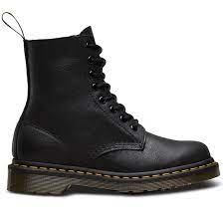
13512006 - 030 | 1460 Pascal Black Virginia | 0883985729575 | 3 | 99.00 € | 297.00 €
13512006 - 040 | 1460 Pascal Black Virginia | 0883985729582 | 7 | 99.00 € | 693.00 €
13512006 - 050 | 1460 Pascal Black Virginia | 0883985729599 | 9 | 99.00 € | 891.00 €
13512006 - 060 | 1460 Pascal Black Virginia | 0883985729605 | 3 | 99.00 € | 297.00 €
13512006 - 065 | 1460 Pascal Black Virginia | 0883985729612 | 6 | 99.00 € | 594.00 €
13512006 - 070 | 1460 Pascal Black Virginia | 0883985729629 | 2 | 99.00 € | 198.00 €

27284626 - 3 | 1461 Burgundy Smooth | 0190665462395 | 3 | 85.00 € | 255.00 €
27284626 - 4 | 1461 Burgundy Smooth | 0190665462401 | 3 | 85.00 € | 255.00 €
27284626 - 5 | 1461 Burgundy Smooth | 0190665462418 | 3 | 85.00 € | 255.00 €
27284626 - 6 | 1461 Burgundy Smooth | 0190665462425 | 3 | 85.00 € | 255.00 €
27284626 - 65 | 1461 Burgundy Smooth | 0190665462432 | 3 | 85.00 € | 255.00 €
27284626 - 70 | 1461 Burgundy Smooth | 0190665462449 | 2 | 85.00 € | 170.00 €
27284626 - 8 | 1461 Burgundy Smooth | 0190665462456 | 1 | 85.00 € | 85.00 €
27284626 - 95 | 1461 Burgundy Smooth | 0190665462470 | 1 | 85.00 € | 85.00 €

27896201 - 065 | 2976 Bex Dark Brown Crazy Horse | 0190665501742 | 1 | 99.00 € | 99.00 €
27896201 - 070 | 2976 Bex Dark Brown Crazy Horse | 0190665501759 | 2 | 99.00 € | 198.00 €
27896201 - 080 | 2976 Bex Dark Brown Crazy Horse | 0190665501766 | 2 | 99.00 € | 198.00 €
27896201 - 090 | 2976 Bex Dark Brown Crazy Horse | 0190665501773 | 1 | 99.00 € | 99.00 €
27896201 - 090 | 2976 Bex Dark Brown Crazy Horse | 0190665501773 | 1 | 99.00 € | 99.00 €
27896201 - 095 | 2976 Bex Dark Brown Crazy Horse | 0190665501780 | 2 | 99.00 € | 198.00 €
27896201 - 100 | 2976 Bex Dark Brown Crazy Horse | 0190665501797 | 1 | 99.00 € | 99.00 €

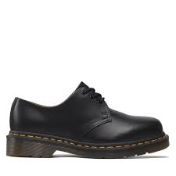
11838002 - 030 | 1461 Black Smooth | 0800090826883 | 8 | 85.00 € | 680.00 €
11838002 - 040 | 1461 Black Smooth | 0800090826906 | 15 | 85.00 € | 1,275.00 €
11838002 - 050 | 1461 Black Smooth | 0800090826920 | 19 | 85.00 € | 1,615.00 €
11838002 - 060 | 1461 Black Smooth | 0800090797534 | 16 | 85.00 € | 1,360.00 €
11838002 - 065 | 1461 Black Smooth | 0800090797541 | 15 | 85.00 € | 1,275.00 €
11838002 - 070 | 1461 Black Smooth | 0800090797558 | 8 | 85.00 € | 680.00 €

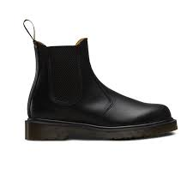
11853001 - 40 | 2976 Black Smooth | 0800090824100 | 4 | 99.00 € | 396.00 €
11853001 - 50 | 2976 Black Smooth | 0800090824124 | 8 | 99.00 € | 792.00 €
11853001 - 65 | 2976 Black Smooth | 0800090800463 | 1 | 99.00 € | 99.00 €
11853001 - 70 | 2976 Black Smooth | 0800090800470 | 1 | 99.00 € | 99.00 €
11853001 - 95 | 2976 Black Smooth | 0800090800500 | 1 | 99.00 € | 99.00 €

11822002 - 070 | 1460 Black Nappa | 0800090797114 | 5 | 99.00 € | 495.00 €
11822002 - 040 | 1460 Black Nappa | 0800090829334 | 7 | 99.00 € | 693.00 €
11822002 - 050 | 1460 Black Nappa | 0800090829358 | 10 | 99.00 € | 990.00 €

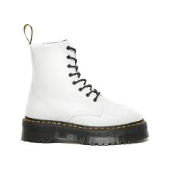
15265100 - 30 | JADON WHITE POLISHED SMOOTH | 0883985635357 | 1 | 115.00 € | 115.00 €
15265100 - 40 | JADON WHITE POLISHED SMOOTH | 0883985635364 | 1 | 115.00 € | 115.00 €
15265100 - 40 | JADON WHITE POLISHED SMOOTH | 0883985635364 | 1 | 115.00 € | 115.00 €
15265100 - 50 | JADON WHITE POLISHED SMOOTH | 0883985635371 | 2 | 115.00 € | 230.00 €
15265100 - 60 | JADON WHITE POLISHED SMOOTH | 0883985635388 | 1 | 115.00 € | 115.00 €
15265100 - 65 | JADON WHITE POLISHED SMOOTH | 0883985635395 | 1 | 115.00 € | 115.00 €
15265100 - 70 | JADON WHITE POLISHED SMOOTH | 0883985635401 | 1 | 115.00 € | 115.00 €

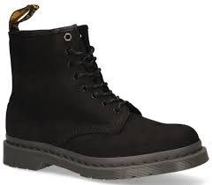
27671001-6 | 1460 Black Milled Nubuck Wp |  | 2 | 105.00 € | 210.00 €
27671001-6,5 | 1460 Black Milled Nubuck Wp |  | 2 | 105.00 € | 210.00 €
27671001-7 | 1460 Black Milled Nubuck Wp |  | 4 | 105.00 € | 420.00 €
27671001-8 | 1460 Black Milled Nubuck Wp |  | 4 | 105.00 € | 420.00 €
27671001-9 | 1460 Black Milled Nubuck Wp |  | 4 | 105.00 € | 420.00 €
27671001-9,5 | 1460 Black Milled Nubuck Wp |  | 2 | 105.00 € | 210.00 €
27671001-10 | 1460 Black Milled Nubuck Wp |  | 2 | 105.00 € | 210.00 €

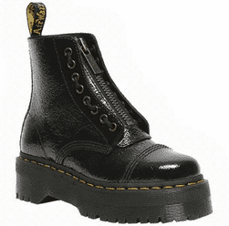
27720001-4 | Sinclair Black Distressed Patent |  | 4 | 115.00 € | 460.00 €
27720001-5 | Sinclair Black Distressed Patent |  | 8 | 115.00 € | 920.00 €
27720001-6 | Sinclair Black Distressed Patent |  | 8 | 115.00 € | 920.00 €
27720001-6,5 | Sinclair Black Distressed Patent |  | 6 | 115.00 € | 690.00 €
27720001-7 | Sinclair Black Distressed Patent |  | 4 | 115.00 € | 460.00 €

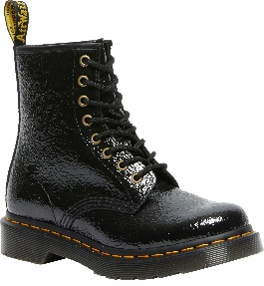
27774001-4 | 1460 Black Distressed Patent |  | 4 | 105.00 € | 420.00 €
27774001-5 | 1460 Black Distressed Patent |  | 8 | 105.00 € | 840.00 €
27774001-6 | 1460 Black Distressed Patent |  | 8 | 105.00 € | 840.00 €
27774001-6,5 | 1460 Black Distressed Patent |  | 6 | 105.00 € | 630.00 €
27774001-7 | 1460 Black Distressed Patent |  | 4 | 105.00 € | 420.00 €

 |  |  | 1191 |  | 122,713.00 €

